Sheet1
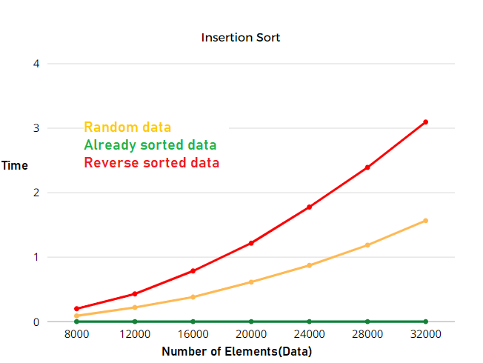
type of data\ size of data | 8000 | 12000 | 16000 | 20000 | 24000 | 28000 | 32000 | 100000
random data | 0.08889s | 0.21913s | 0.38000s | 0.61252s | 0.87254s | 1.18672s | 1.56532s | 15.1612s
Already Sorted data | 0.00008s | 0.00015s | 0.00017s | 0.00022s | 0.00026s | 0.00017s | 0.00039s | 0.00111s
Reverse Sorted data | 0.19947s | 0.42957s | 0.78531s | 1.21738s | 1.77679s | 2.39073s | 3.09537s | 30.4498s

